Results
1.How many of the flights are heavy and how many of them are medium?
Aircraft Type | qty
H | 25
M | 25

2.State the utilisation frequency of each runway exits by each aircraft type.

 |  | Runway Exit
 |  | 1 | 2 | 3 | Total
Aircraft Type | Heavy | 12 | 8 | 5 | 25
 | Medium | 22 | 3 | 0 | 25
 | Total | 34 | 11 | 5 | 50

3.Plot the histograms for each aircraft type to represent their respective Runway Occupancy Time distributions in a single histogram plot and determine the mean ROT for each aircraft type.
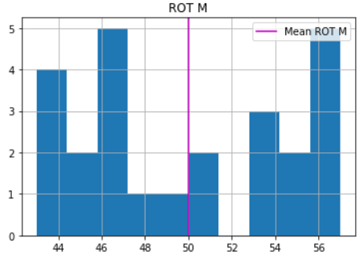
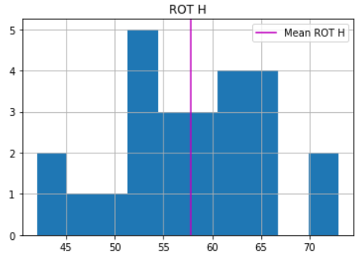
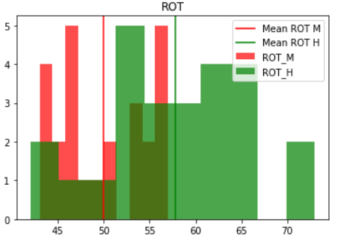

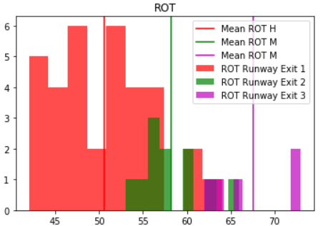
4. Plot the histograms for each runway exit to represent their respective Runway Occupancy Time distributions in a single histogram plot and determine the mean ROT for each runway exit.
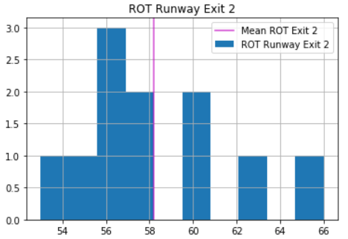
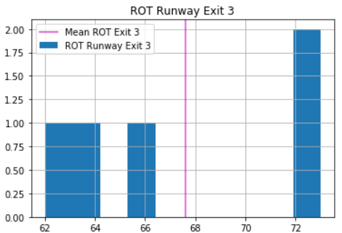
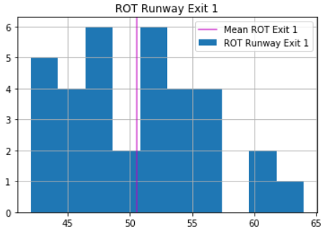

5. Discuss the results in question 3 and question 4.

